Dashboard
Sales Performance Dashboard
Profit | No of Orders | No of Targeted States

$2,261,573 | 9800 | 49

Sales By Top 10 States
 | Total
California | 446306.4635
Florida | 88436.532
Illinois | 79236.517
Michigan | 76136.074
New York | 306361.147
Ohio | 75130.35
Pennsylvania | 116276.65
Texas | 168572.5322
Virginia | 70636.72
Washington | 135206.85
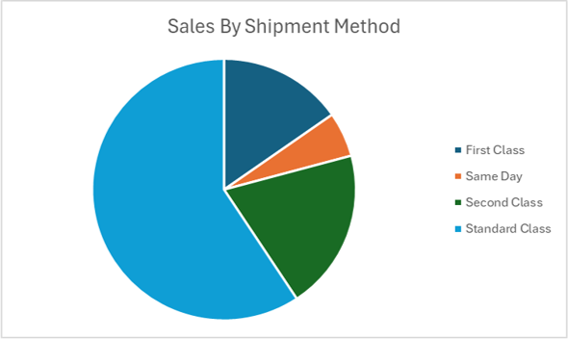
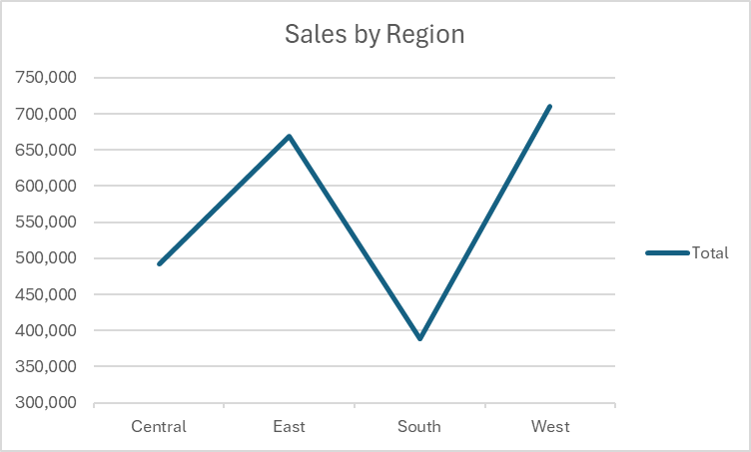

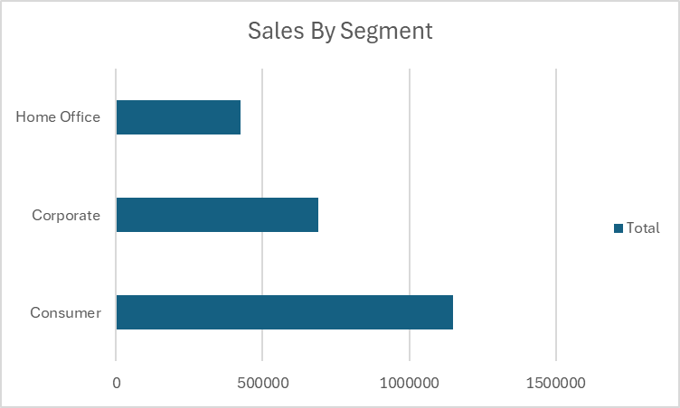
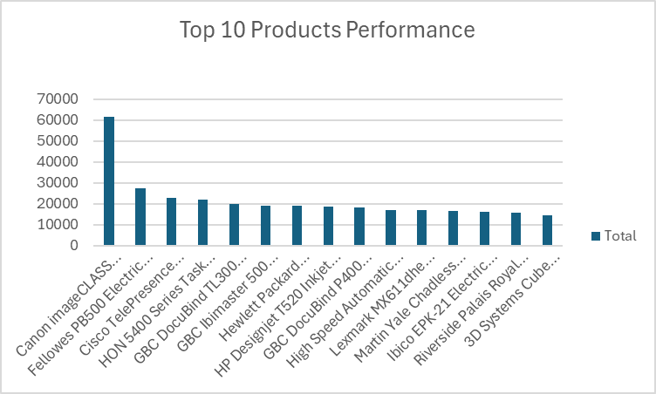
 | Accessories | Appliances | Art | Binders | Bookcases | Chairs | Copiers | Envelopes | Fasteners | Furnishings | Labels | Machines
Furniture |  |  |  |  | 113,813 | 322,823 |  |  |  | 89,212
Office Supplies |  | 104,618 | 26,705 | 200,029 |  |  |  | 16,128 | 3,002 |  | 12,348
Technology | 164,187 |  |  |  |  |  | 146,248 |  |  |  |  | 189,239

Sales By Top 10 States
Sales By Top 10 States
Row Labels | Sum of Sales
California | 446306.4635
Florida | 88436.532
Illinois | 79236.517
Michigan | 76136.074
New York | 306361.147
Ohio | 75130.35
Pennsylvania | 116276.65
Texas | 168572.5322
Virginia | 70636.72
Washington | 135206.85
Grand Total | 1562299.8357

Revenue By Category
Sum of Sales | Column Labels
Row Labels | Accessories | Appliances | Art | Binders | Bookcases | Chairs | Copiers | Envelopes | Fasteners | Furnishings | Labels | Machines | Paper | Phones | Storage | Supplies | Tables | Grand Total
Furniture |  |  |  |  | 113,813 | 322,823 |  |  |  | 89,212 |  |  |  |  |  |  | 202,811 | 728,659
Office Supplies |  | 104,618 | 26,705 | 200,029 |  |  |  | 16,128 | 3,002 |  | 12,348 |  | 76,828 |  | 219,343 | 46,420 |  | 705,422
Technology | 164,187 |  |  |  |  |  | 146,248 |  |  |  |  | 189,239 |  | 327,782 |  |  |  | 827,456
Grand Total | 164,187 | 104,618 | 26,705 | 200,029 | 113,813 | 322,823 | 146,248 | 16,128 | 3,002 | 89,212 | 12,348 | 189,239 | 76,828 | 327,782 | 219,343 | 46,420 | 202,811 | 2,261,537

 | Accessories | Appliances | Art | Binders | Bookcases | Chairs | Copiers | Envelopes | Fasteners | Furnishings | Labels | Machines
Furniture |  |  |  |  | 113,813 | 322,823 |  |  |  | 89,212
Office Supplies |  | 104,618 | 26,705 | 200,029 |  |  |  | 16,128 | 3,002 |  | 12,348
Technology | 164,187 |  |  |  |  |  | 146,248 |  |  |  |  | 189,239

Sales by Region
Sales by Region

Row Labels | Sum of Sales
Central | 492,647
East | 669,519
South | 389,151
West | 710,220
Grand Total | 2,261,537

Sales By Shipment Method
Sales By Shipment Method
Row Labels | Sum of Sales
First Class | 345572.2573
Same Day | 125219.039
Second Class | 449914.1794
Standard Class | 1340831.307
Grand Total | 2261536.7827

Top 10 Products Performance
Top 10 Products Performance
Row Labels | Sum of Sales
Canon imageCLASS 2200 Advanced Copier | 61599.824
Fellowes PB500 Electric Punch Plastic Comb Binding Machine with Manual Bind | 27453.384
Cisco TelePresence System EX90 Videoconferencing Unit | 22638.48
HON 5400 Series Task Chairs for Big and Tall | 21870.576
GBC DocuBind TL300 Electric Binding System | 19823.479
GBC Ibimaster 500 Manual ProClick Binding System | 19024.5
Hewlett Packard LaserJet 3310 Copier | 18839.686
HP Designjet T520 Inkjet Large Format Printer - 24" Color | 18374.895
GBC DocuBind P400 Electric Binding System | 17965.068
High Speed Automatic Electric Letter Opener | 17030.312
Lexmark MX611dhe Monochrome Laser Printer | 16829.901
Martin Yale Chadless Opener Electric Letter Opener | 16656.2
Ibico EPK-21 Electric Binding System | 15875.916
Riverside Palais Royal Lawyers Bookcase, Royale Cherry Finish | 15610.9656
3D Systems Cube Printer, 2nd Generation, Magenta | 14299.89
Grand Total | 323893.0766

Sales By Segment
Sales By Segment
Row Labels | Sum of Sales
Consumer | 1148060.531
Corporate | 688494.0748
Home Office | 424982.1769
Grand Total | 2261536.7827

